IBP R3B data
 | Step 1
 | Server URL: https://my302102.scmibp1.ondemand.com
 | Planning Area: NV3PRDTS
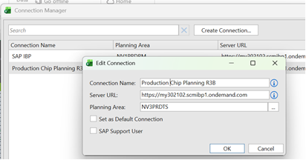

 | Step 2
 | New View -> From Template
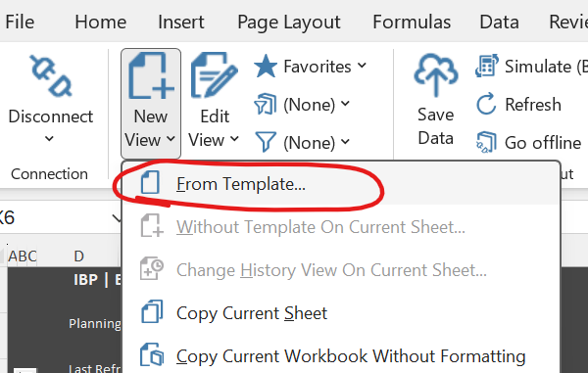

 | Step 3
 | Select Template
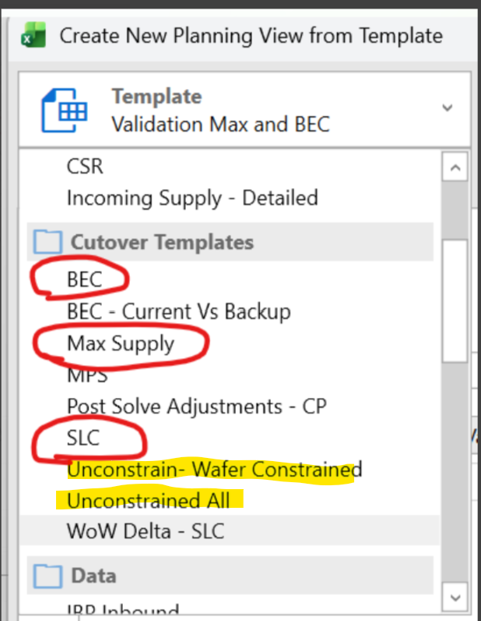

 | Step 4
 | Select Version
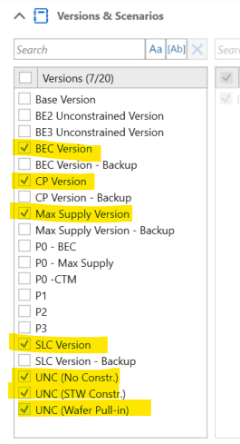

Planning Version/Cutover Template | Tab | Key Figure | Granularity
Max Supply Model | Demand | Demand | Week Product Group Product Family Device Category Product ID
Max Supply Model | APO_ZView_All | Total Demand | Week Product ID Location ID
Max Supply Model | APO_ZView_All | Open Production Order (Inbound) (Goods Issued) | Week Product ID Location ID
Max Supply Model | APO_ZView_All | Production (WIP - ECC) | Week Product ID Location ID
Max Supply Model | APO_ZView_All | Receipts | Week Product ID Location ID
Max Supply Model | APO_ZView_All | Stock on Hand (Projected) | Week Product ID Location ID
Max Supply Model | APO_ZView_All | Stock on Hand (Projected) - Max Supply | Week Product ID Location ID
Max Supply Model | APO_ZView_All | Production (Planned) | Week Product ID Location ID
Max Supply Model | APO_ZView | Receipts | Week Product Group Product ID
Max Supply Model | APO_ZView | Initial Inventory from ECC (Inbound) | Week Product Group Product ID
Max Supply Model | APO_ZView | Stock on Hand (Projected) - Max Supply | Week Product Group Product ID
Max Supply Model | APO_ZView | Production (Planned) | Week Product Group Product ID
Max Supply Model | APO_ZView | Production (WIP - ECC) | Week Product Group Product ID
Max Supply Model | APO_ZView | Total Demand (Max Supply) | Week Product Group Product ID
Max Supply Model | Build Plan View | Production (Planned) | Week, Product Group Product Family Device Category Product ID Location ID
Max Supply Model | Build Plan View | Production (Planned) - Start - Unyielded | Week, Product Group Product Family Device Category Product ID Location ID
Max Supply Model | Build Plan View | Production (WIP - ECC) | Week, Product Group Product Family Device Category Product ID Location ID
Max Supply Model | Build Plan View | Adjusted Production (Standard) | Week, Product Group Product Family Device Category Product ID Location ID
Max Supply Model | Build Plan View | Component Usage | Week, Product Group Product Family Device Category Product ID Location ID
Max Supply Model | WIP | Production (WIP - ECC) | Week, Product Family Product Group
Max Supply Model | Component Usage | Component Usage | Week, Product Group Product Family Device Category Product ID Location ID Component Family Component Product ID
Max Supply Model | Component Usage (2) | Stock on Hand (Projected) | Week, Product Group Product Family Device Category Product ID Location ID
BEC
BEC
BEC
BEC
BEC
BEC
BEC
BEC
BEC
BEC
BEC
BEC
BEC
BEC
BEC
BEC
BEC
BEC
BEC
BEC
BEC
BEC
BEC
SLC

